Sheet1
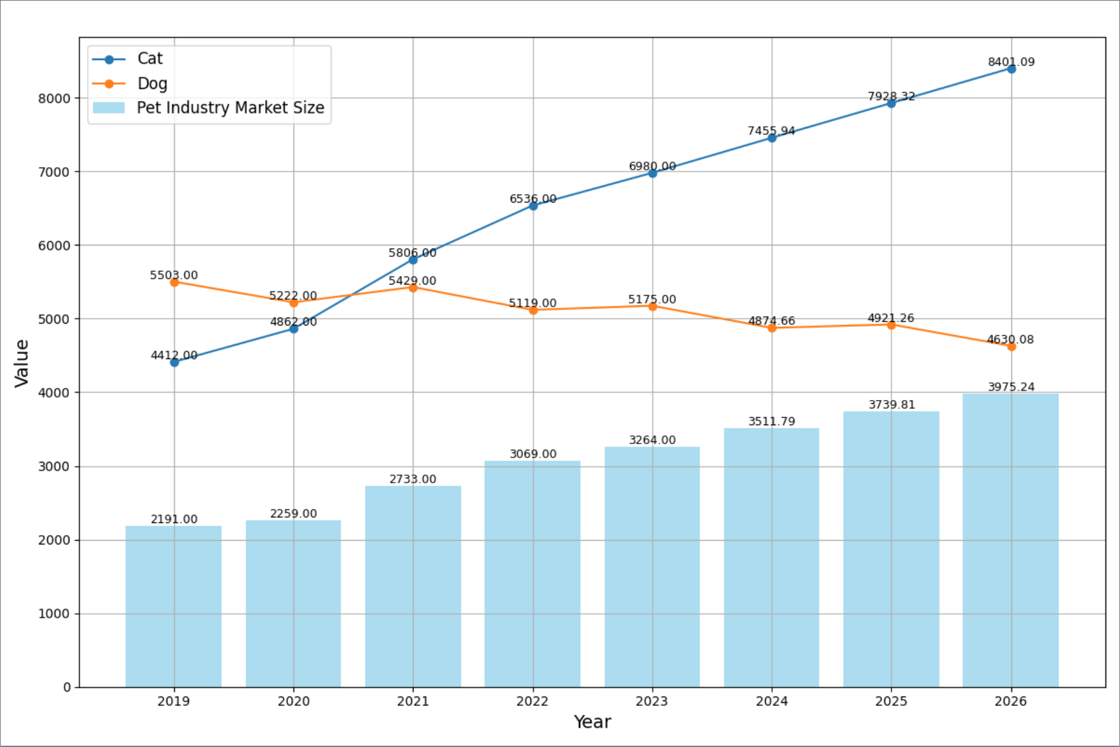
Years Cat Dog Pet Industry Market Size
0 2019 4412.000000 5503.000000 2191.000000
1 2020 4862.000000 5222.000000 2259.000000
2 2021 5806.000000 5429.000000 2733.000000
3 2022 6536.000000 5119.000000 3069.000000
4 2023 6980.000000 5175.000000 3264.000000
5 2024 7455.941593 4874.661863 3511.789505
6 2025 7928.315825 4921.255059 3739.814955
7 2026 8401.088473 4630.075401 3975.239942

原图如下，看能不能画好看一点，基本结构可以不变，要变的话可以和我说一声

